Sheet1
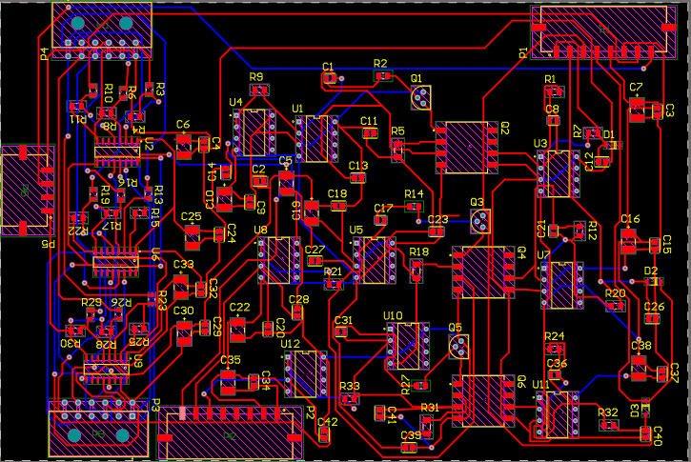

digital in
thin brown | oragne |  |  | magenta | brown
12 gnd |  |  | 9 in8 | 8 pwm3L | 7 pwm3H
6 - pwm1H | 5 pwm1L | 4 relay | 3 pwm2H | 2 - pwm2l | 1 - in7
green | purple | pur/blu | orange | white | q
 |  |  |  |  | ]
 |  |  |  |  |  |  |  |  |  |  |  |  |  |  | red | black
digital out | grey | brown |  | orange |  |  |  |  |  |  |  |  |  |  | yellow | green
-------------- | 11 - pwm3H out5 | 10 - pwm3L out4 | 9 - unused out8 | 8 - iso5V | 7 - PGND |  |  | power in | 8 - vin1 bus.v | 7 - vin2 ilim.v | 6 - vin3 ips.temp | ---------- | ----------- | ------------- | 2 - iso15V | 1 - PGND
6 - unused out7 | 5 - pwm2L out3 | 4 - pwm2H out2 | 3 - relay out6 | 2 - pwm1L out1 | 1 - pwm1H out0 |  |  | power out | 8 - tach2 | 7 - tach1 | 6 - GND | 5 - 15V0 | 4 - 3V3 | 3 - vout3 | 2 - vout2 | 1 - vout1
 | black | purple | red | white | blue |  |  |  | rb2 high | rb3 low | orange | red | yellow
 |  |  | ` | 1H | rb14 | rb15 | 1L |  | rb4 | rb7
 |  |  |  | 2H | rb12 | rb13 | 2L |  | rb8 | rc3
 |  |  |  | 3H | rb10 | rb11 | 3L |  | rb0 - relay

 |  |  |  |  |  |  |  |  |  |  | analog data | vin1 | vin2 | vin3
 |  |  |  |  |  |  |  |  |  |  | input | 15v | 15v | 15v
 |  |  |  |  |  |  |  |  |  |  | output | 3.9V | 3.9V | 3.9V
 |  |  |  |  |  |  |  |  |  |  | pin1 | 2.5V | 2.5V | 2.8V
 |  |  |  |  |  |  |  |  |  |  | pin3 | 12.7V | 9.8V | 12.9V
 |  |  |  |  |  |  |  |  |  |  | pin6 | 3V | 3.1V | 3.1V

